Sheet1 (2)
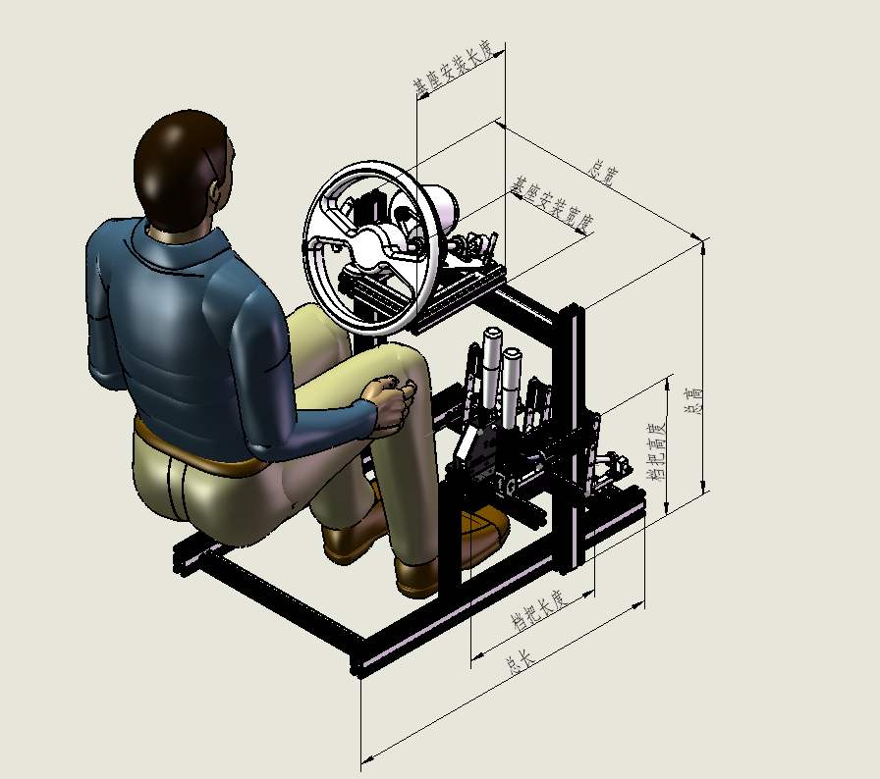
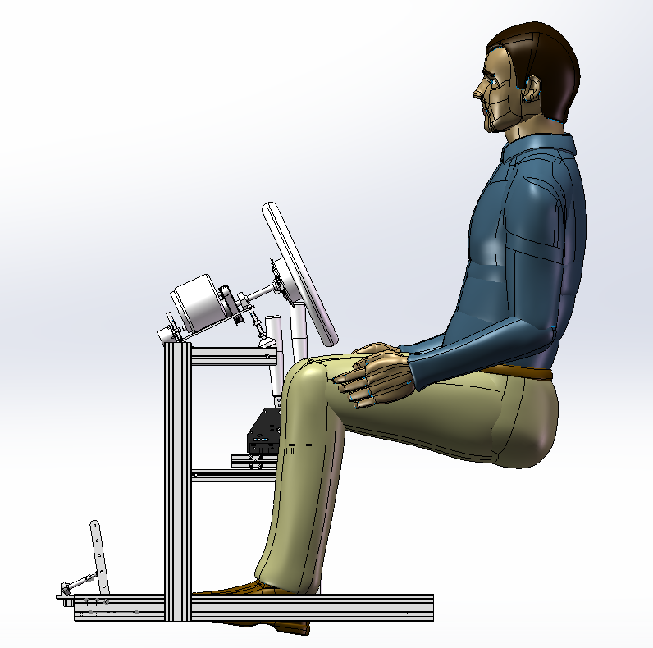
规格 | 长度 | 单位 | 用处 | 单价 | 总价 | 链接
总宽 （大于座椅宽度+150） | 600 | mm | 填写这些参数即可
总高 （方向盘高度） | 620
总长 （看占地空间 大一点稳一点） | 800
档把高度 | 370
档把长度 | 350
档把宽度 | 350
基座安装宽度 | 220
基座安装长度 | 250

底梁 欧标4080 | 800 | 2
立梁 欧标4080 | 620 | 2
横梁 欧标4080 | 520 | 1
底部加强 欧标4040 | 440 | 3
基座长度 欧标4040 | 250 | 2
基座宽度 欧标4040 | 140 | 1
档把立梁 欧标4040 | 210 | 1 | 此三项为档把与刹车框架，如无可以去掉
档把纵梁 欧标4040 | 350 | 2
档把横梁 欧标4040 | 350 | 2
4080角码 |  | 8 | 主框架
4040角码 |  | 12 | 方向盘固定
40*40角码 |  | 32 | 档把框架固定
M8*12 |  | 120
M8螺母 |  | 120

Sheet1 (3)
三屏模拟器全架（颜色自定，黑色会略贵一点 表内价格为全黑）
序号 |  | 长度 | 数量 | 单价 | 总价 | 备注
1 | 底梁 欧标4080 | 1250 | 2 | 85 | 170 | 型材厚度均为2mm
2 | 立梁 欧标4080 | 650 | 2 | 42 | 84
3 | 横梁 欧标4080 | 540 | 1 | 34 | 34
4 | 基座安装 欧标4040 | 300 | 2 | 12 | 24
5 | 座椅安装 欧标4040 | 540 | 2 | 16 | 32
6 | 底梁加强 欧标4040 | 460 | 2 | 15 | 30
7 | 踏板安装 欧标3060 | 460 | 1 | 24 | 24 | 仅我这边的踏板所用 其他踏板根据实际情况考量
8 | 4040角码 |  | 44 | 1.05 | 46.2 |  | https://item.taobao.com/item.htm?spm=a21n57.1.0.0.4728523cRTpOEF&id=677904422669&ns=1&abbucket=16#detail
9 | M8螺母 型材螺母 |  | 44 | 0.245 | 10.78 |  | https://item.taobao.com/item.htm?spm=2013.1.0.0.eb0a33f4qq9xh8&id=677298720646&scm=1007.12144.97955.42296_0_0&pvid=d5c1705d-10ab-4219-8048-9e0d57399885&utparam=%7B%22x_hestia_source%22%3A%2242296%22%2C%22x_object_type%22%3A%22item%22%2C%22x_hestia_subsource%22%3A%22default%22%2C%22x_mt%22%3A0%2C%22x_src%22%3A%2242296%22%2C%22x_pos%22%3A1%2C%22wh_pid%22%3A-1%2C%22x_pvid%22%3A%22d5c1705d-10ab-4219-8048-9e0d57399885%22%2C%22scm%22%3A%221007.12144.97955.42296_0_0%22%2C%22x_object_id%22%3A677298720646%7D
10 | M8*12内六角螺丝 |  | 44 | 0.24 | 10.56 |  | https://detail.tmall.com/item.htm?abbucket=2&id=636175026159&rn=6ae0918f6be1769756f32c788b407029&skuId=4558147953081&spm=a1z10.5-b.w4011-14789417929.80.4bb13750kkCxp8
11 | 4040盖子 |  |  | 30 |  | 询问铝型材商家 几块钱就够了
12 | 4080盖子 |  |  | 6
单屏幕支架（若无需安装显示器则无需该项）
12 | 显示器立梁 欧标4040 | 1200 | 2 | 36 | 72
13 | 显示器加强 欧标4040 | 150 | 2 | 6 | 12
14 | 显示器安装 欧标3060 | 640 | 1 | 32 | 32
15 | 4040L连接件 |  | 4 | 2.7 | 10.8 |  | https://item.taobao.com/item.htm?spm=a21n57.1.0.0.64344cb0wqXeRg&id=543869071346&ns=1&abbucket=16#detail
16 | 4040角码 |  | 16 | 1.05 | 16.8 |  | https://item.taobao.com/item.htm?spm=a21n57.1.0.0.4728523cRTpOEF&id=677904422669&ns=1&abbucket=16#detail
17 | M8螺母 型材螺母 |  | 32 | 0.245 | 7.84 |  | https://item.taobao.com/item.htm?spm=2013.1.0.0.eb0a33f4qq9xh8&id=677298720646&scm=1007.12144.97955.42296_0_0&pvid=d5c1705d-10ab-4219-8048-9e0d57399885&utparam=%7B%22x_hestia_source%22%3A%2242296%22%2C%22x_object_type%22%3A%22item%22%2C%22x_hestia_subsource%22%3A%22default%22%2C%22x_mt%22%3A0%2C%22x_src%22%3A%2242296%22%2C%22x_pos%22%3A1%2C%22wh_pid%22%3A-1%2C%22x_pvid%22%3A%22d5c1705d-10ab-4219-8048-9e0d57399885%22%2C%22scm%22%3A%221007.12144.97955.42296_0_0%22%2C%22x_object_id%22%3A677298720646%7D
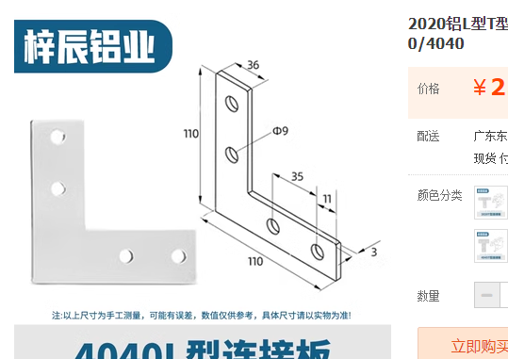
18 | M8*12内六角螺丝 |  | 32 | 0.24 | 7.68 |  | https://detail.tmall.com/item.htm?abbucket=2&id=636175026159&rn=6ae0918f6be1769756f32c788b407029&skuId=4558147953081&spm=a1z10.5-b.w4011-14789417929.80.4bb13750kkCxp8
三屏幕支架（若无需安装显示器则无需该项）
20 | 显示器立梁 欧标4040 | 1200 | 2 | 36 | 72
21 | 显示器加强 欧标4040 | 150 | 2 | 6 | 12
22 | 显示器安装 欧标3060 | 640 | 1 | 32 | 32
23 | 显示器安装 欧标3060 | 550 | 2 | 23 | 46
24 | 4040L连接件 |  | 4 | 2.7 | 10.8
25 | 旋转连接件 |  | 4 | 20 | 80 | 可联系UP采购
26 | 4040角码 |  | 16 | 1.05 | 16.8 |  | https://item.taobao.com/item.htm?spm=a21n57.1.0.0.4728523cRTpOEF&id=677904422669&ns=1&abbucket=16#detail
27 | M8螺母 型材螺母 |  | 48 | 0.245 | 11.76 |  | https://item.taobao.com/item.htm?spm=2013.1.0.0.eb0a33f4qq9xh8&id=677298720646&scm=1007.12144.97955.42296_0_0&pvid=d5c1705d-10ab-4219-8048-9e0d57399885&utparam=%7B%22x_hestia_source%22%3A%2242296%22%2C%22x_object_type%22%3A%22item%22%2C%22x_hestia_subsource%22%3A%22default%22%2C%22x_mt%22%3A0%2C%22x_src%22%3A%2242296%22%2C%22x_pos%22%3A1%2C%22wh_pid%22%3A-1%2C%22x_pvid%22%3A%22d5c1705d-10ab-4219-8048-9e0d57399885%22%2C%22scm%22%3A%221007.12144.97955.42296_0_0%22%2C%22x_object_id%22%3A677298720646%7D
28 | M8*12内六角螺丝 |  | 48 | 0.24 | 11.52 |  | https://detail.tmall.com/item.htm?abbucket=2&id=636175026159&rn=6ae0918f6be1769756f32c788b407029&skuId=4558147953081&spm=a1z10.5-b.w4011-14789417929.80.4bb13750kkCxp8
档把支架（若无需档把则无需该项）
30 | 档把横梁 欧标4040 | 500 | 1 | 18 | 18
31 | 档把立梁 欧标4040 | 350 | 1 | 14 | 14
32 | 档把横梁 欧标4040 | 200 | 1 | 8 | 8
33 | 4040角码 |  | 16 | 1.05 | 16.8 |  | https://item.taobao.com/item.htm?spm=a21n57.1.0.0.4728523cRTpOEF&id=677904422669&ns=1&abbucket=16#detail
34 | M8螺母 型材螺母 |  | 16 | 0.245 | 3.92 |  | https://item.taobao.com/item.htm?spm=2013.1.0.0.eb0a33f4qq9xh8&id=677298720646&scm=1007.12144.97955.42296_0_0&pvid=d5c1705d-10ab-4219-8048-9e0d57399885&utparam=%7B%22x_hestia_source%22%3A%2242296%22%2C%22x_object_type%22%3A%22item%22%2C%22x_hestia_subsource%22%3A%22default%22%2C%22x_mt%22%3A0%2C%22x_src%22%3A%2242296%22%2C%22x_pos%22%3A1%2C%22wh_pid%22%3A-1%2C%22x_pvid%22%3A%22d5c1705d-10ab-4219-8048-9e0d57399885%22%2C%22scm%22%3A%221007.12144.97955.42296_0_0%22%2C%22x_object_id%22%3A677298720646%7D
35 | M8*12内六角螺丝 |  | 16 | 0.24 | 3.84 |  | https://detail.tmall.com/item.htm?abbucket=2&id=636175026159&rn=6ae0918f6be1769756f32c788b407029&skuId=4558147953081&spm=a1z10.5-b.w4011-14789417929.80.4bb13750kkCxp8
36 | 单屏模拟器全架共计价格 |  |  |  | 689.22
37 | 三屏模拟器全架共计价格 |  |  |  | 822.98

